BUG 1
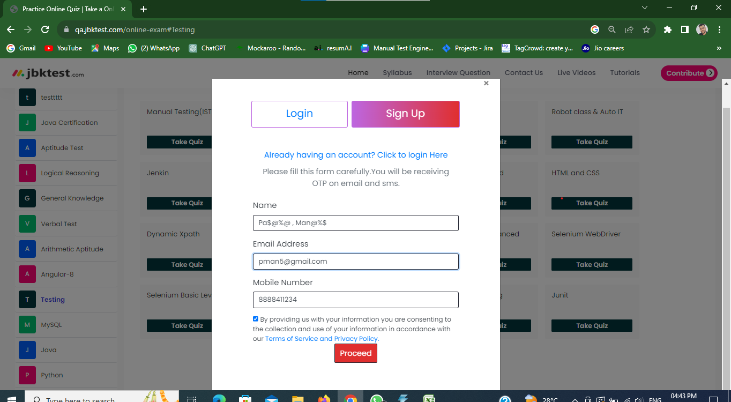
 | Bug /Defect Reporting

1 | Bug ID : 01 | Tester Name : Pawan mankar
2 | Bug name : When User enter Special character in Name it dosent show error | Devloper Lead Name : Tarak Mehta
3 | Bug Descriptions : When attempting to sign up with a name containing special characters the system allows the user to create account without displaying an error message. | Devloper Lead Email Id : tmehta@gmail.com
4 | Step to reproduce : Enter Special Char In Name + Enter email add + enter mobile no.+ Click on proceed button
5 | Test Case ID : TC 6
6 | Status of Bug : New
7 | Reproducibilty : Always
8 | Severity : Major
9 | Priority : High
10 | ScreenShot : Below

BUG 2
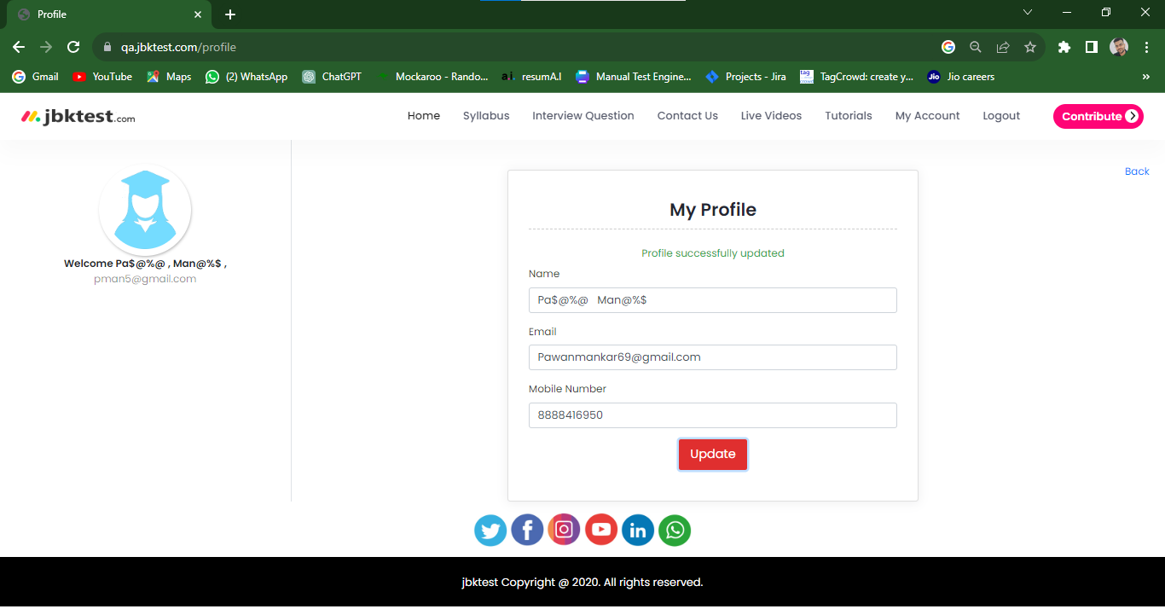
 | Bug /Defect Reporting

1 | Bug ID : 02 | Tester Name : Pawan mankar
2 | Bug name : Profile Update Allows Special Characters in Name Without Displaying Error Message | Devloper Lead Name : Tarak mehta
3 | Bug Descriptions : To verify that an error message is displayed when a user attempts to update their profile with a name containing special characters. | Devloper Lead Email Id : tmehta@gmail.com
4 | Step to reproduce : Go to My account + Click on My Profile + Enter name (Special char) + click on update button
5 | Test Case ID : TC 31
6 | Status of Bug : New
7 | Reproducibilty : Always
8 | Severity : Major
9 | Priority : High
10 | ScreenShot : Below

